EVD_OPL07-02
Test Case ID
Test Case Summary | Lakukan credit note untuk invoice yang sudah dikirim ke customer

Step # | Test Evidence | Re-Test Evidence (if found Bug/Issue)
1
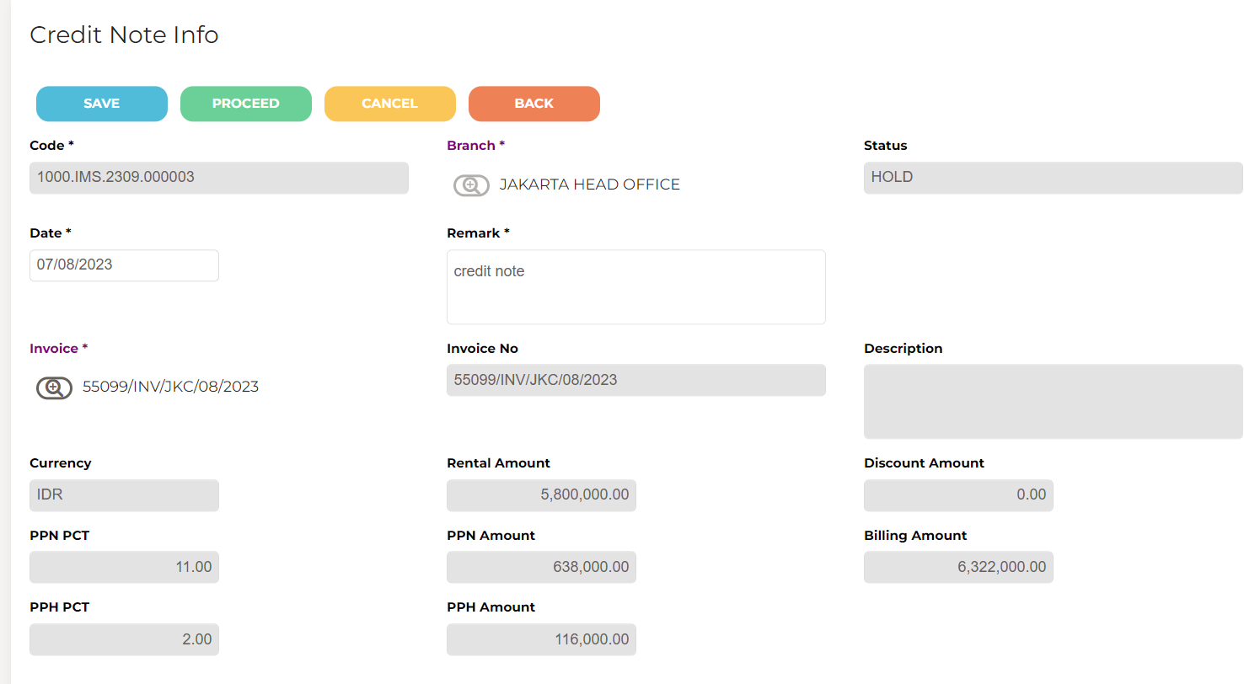

2
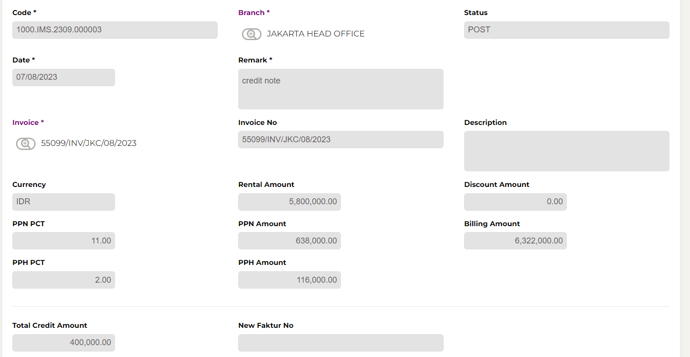

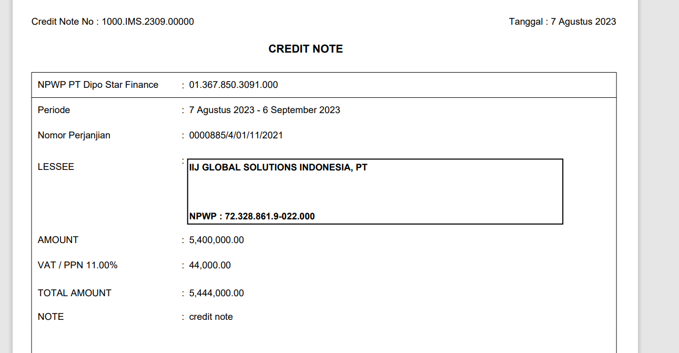

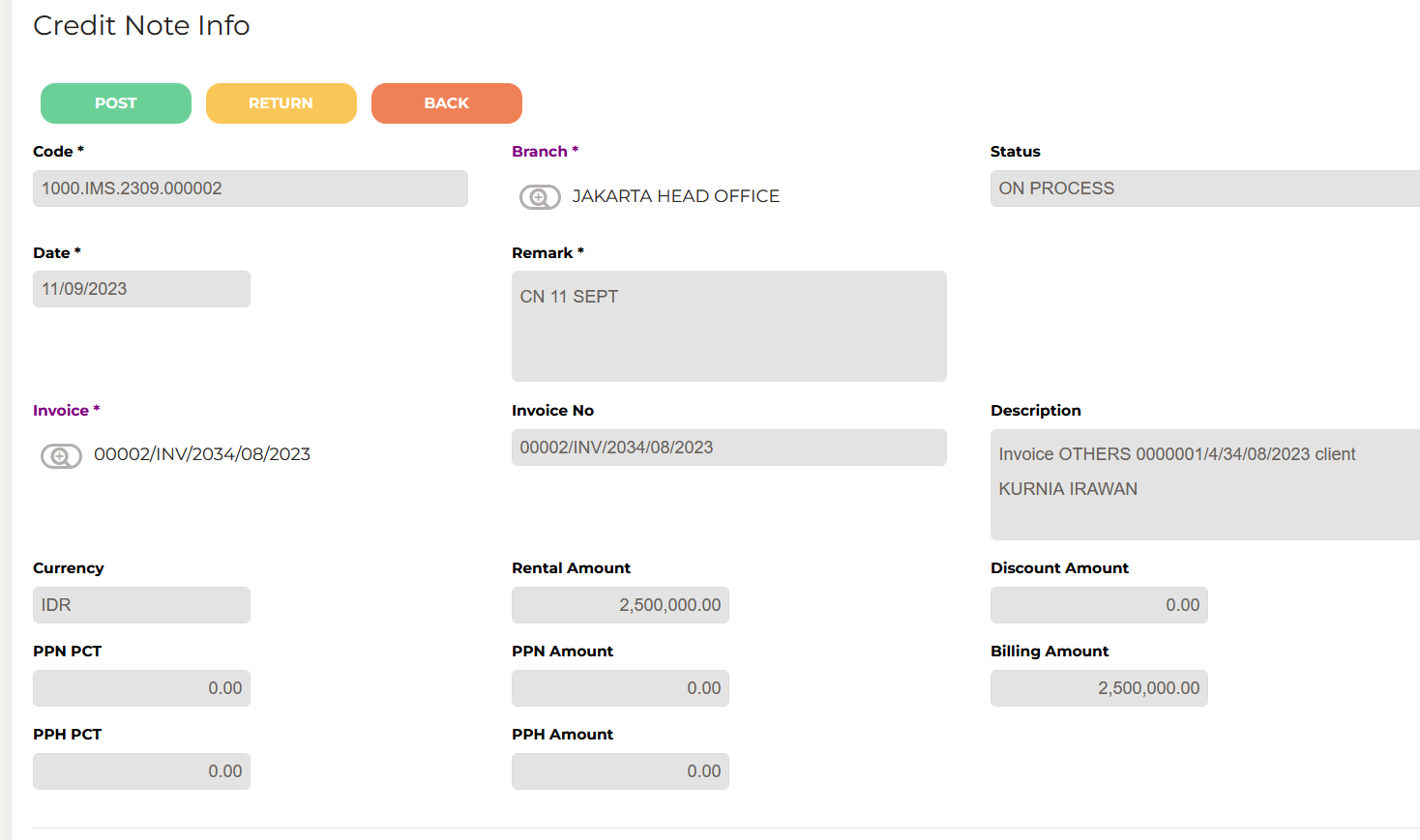
3

